Sheet1
 |  | Document No. | Issue No. | Issue Date |  |  | Review and Replace Date |  | Authorised By
 |  | GFF248MC | 3 | 02.12.2020 |  |  | 23.12.2021 |  | Magda Shah
 |  | Document Title | 18 Lamb Samosa 450G

Document amendments reason for change |  | Film Updated |  | Page 1 of 1 |  | Previous Issue Date |  | 22.02.2021 | Uncontrolled copy unless signed original

CLSAC-B18X4T | GAZEBO-BOOKER |  | 18 Lamb Samosa 450G
STEP 1 |  |  |  |  | STEP 2


Tray: H3H 50 - CLEAR (PKNUT001-07) |  |  |  |  | Lamb Samosa Cocktail 25g (GFF005R): 18 Pieces (450G)
Film: PP340 AF 340mmx500m (PKKMP001-03)
STEP 3
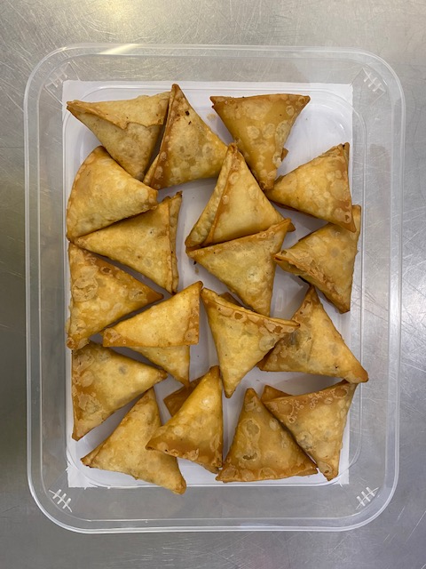

TOTAL WEIGHT: 450G

ALLERGY ALERT: WHEAT, SOYA

